General info
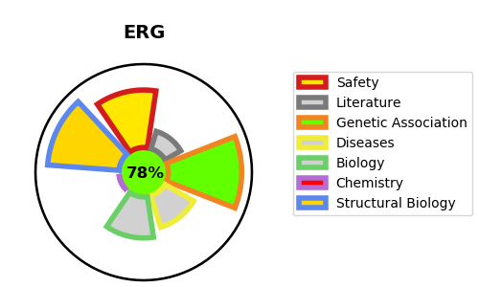
Gene_name | ERG | Tractable | Tractability_probability
Synonyms | ERG,Transcriptional regulator ERG,Transforming protein ERG | True | 78.69
Target_id | P11308 | In Training data set ?
Protein_class | Unclassified protein | No
Protein_class_desc | unclassified
Species | Homo sapiens (Human).
Number_isoforms | 6

DISEASE |  | PATHWAYS
disease_id | disease_name | Reactome | KEGG

