General info
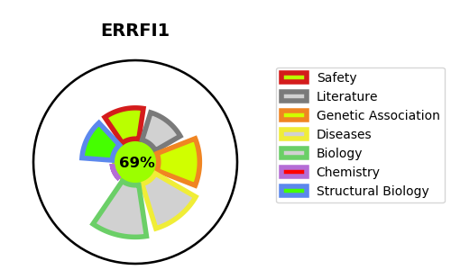
Gene_name | ERRFI1 | Tractable | Tractability_probability
Synonyms | MIG6 | True | 69.76
Target_id | Q9UJM3 | In Training data set ?
Protein_class |  | No
Protein_class_desc
Species | Homo sapiens (Human).
Number_isoforms | 0

DISEASE |  | PATHWAYS
disease_id | disease_name | Reactome | KEGG

