General info
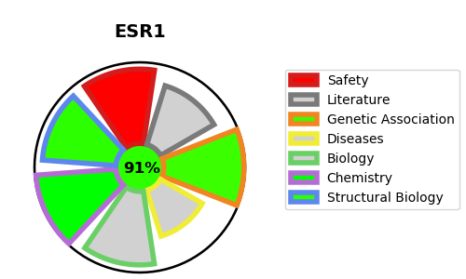
Gene_name | ESR1 | Tractable | Tractability_probability
Synonyms | ER-alpha,ESR,ESR1,Estradiol receptor,Estrogen receptor,NR3A1,Nuclear receptor subfamily 3 group A member 1 | True | 91.26
Target_id | P03372 | In Training data set ?
Protein_class | Nuclear hormone receptor subfamily 3 group A member 1 | Yes
Protein_class_desc | transcription factor -> nuclear receptor -> nr3 -> nr3a -> nr3a1
Species | Homo sapiens (Human).
Number_isoforms | 4

DISEASE |  | PATHWAYS
disease_id | disease_name | Reactome | KEGG
OMIM:114480 | BREAST CANCER | Constitutive Signaling by Aberrant PI3K in Cancer
OMIM:157300 | MIGRAINE WITH OR WITHOUT AURA, SUSCEPTIBILITY TO, 1 | Deubiquitination
OMIM:608446 | MYOCARDIAL INFARCTION, SUSCEPTIBILITY TO | Disease
OMIM:615363 | ESTROGEN RESISTANCE | Diseases of signal transduction by growth factor receptors and second messengers
 |  | ESR-mediated signaling
 |  | Estrogen-dependent gene expression
 |  | Extra-nuclear estrogen signaling
 |  | Gene expression (Transcription)
 |  | Generic Transcription Pathway
 |  | Intracellular signaling by second messengers
 |  | Metabolism of proteins
 |  | Negative regulation of the PI3K/AKT network
 |  | Nuclear Receptor transcription pathway
 |  | Nuclear signaling by ERBB4
 |  | Ovarian tumor domain proteases
 |  | PI3K/AKT Signaling in Cancer
 |  | PI5P, PP2A and IER3 Regulate PI3K/AKT Signaling
 |  | PIP3 activates AKT signaling
 |  | Post-translational protein modification
 |  | RNA Polymerase II Transcription
 |  | RUNX1 regulates estrogen receptor mediated transcription
 |  | RUNX1 regulates transcription of genes involved in WNT signaling
 |  | Regulation of RUNX2 expression and activity
 |  | SUMO E3 ligases SUMOylate target proteins
 |  | SUMOylation
 |  | SUMOylation of intracellular receptors
 |  | Signal Transduction
 |  | Signaling by ERBB4
 |  | Signaling by Nuclear Receptors
 |  | Signaling by Receptor Tyrosine Kinases
 |  | TFAP2 (AP-2) family regulates transcription of growth factors and their receptors
 |  | Transcriptional regulation by RUNX1
 |  | Transcriptional regulation by RUNX2
 |  | Transcriptional regulation by the AP-2 (TFAP2) family of transcription factors

