General info
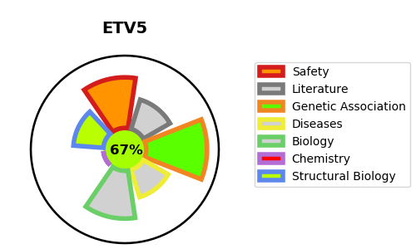
Gene_name | ETV5 | Tractable | Tractability_probability
Synonyms | ERM | True | 67.59
Target_id | P41161 | In Training data set ?
Protein_class |  | Yes
Protein_class_desc
Species | Homo sapiens (Human).
Number_isoforms | 2

DISEASE |  | PATHWAYS
disease_id | disease_name | Reactome | KEGG

