General info
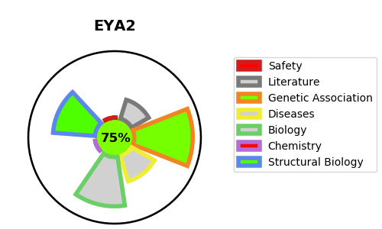
Gene_name | EYA2 | Tractable | Tractability_probability
Synonyms | 3.1.3.48,EAB1,EYA2,Eyes absent homolog 2 | True | 75.12
Target_id | O00167 | In Training data set ?
Protein_class | Enzyme | No
Protein_class_desc | enzyme
Species | Homo sapiens (Human).
Number_isoforms | 3

DISEASE |  | PATHWAYS
disease_id | disease_name | Reactome | KEGG
 |  | DNA Double Strand Break Response
 |  | DNA Double-Strand Break Repair
 |  | DNA Repair
 |  | Recruitment and ATM-mediated phosphorylation of repair and signaling proteins at DNA double strand breaks

