General info
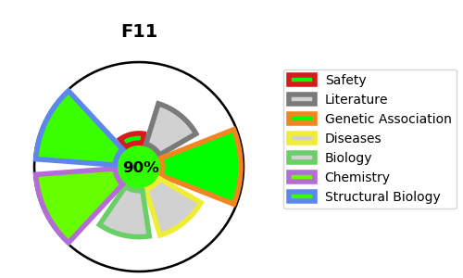
Gene_name | F11 | Tractable | Tractability_probability
Synonyms | 3.4.21.27,Coagulation factor XI,Coagulation factor XIa heavy chain,Coagulation factor XIa light chain,F11,FXI,PTA,Plasma thromboplastin antecedent | True | 90.94
Target_id | P03951 | In Training data set ?
Protein_class | Serine protease S1A subfamily | No
Protein_class_desc | enzyme -> protease -> serine -> pas -> s1a
Species | Homo sapiens (Human).
Number_isoforms | 2

DISEASE |  | PATHWAYS
disease_id | disease_name | Reactome | KEGG
OMIM:612416 | FACTOR XI DEFICIENCY | Defective F9 activation
 |  | Defective factor IX causes hemophilia B
 |  | Defects of contact activation system (CAS) and kallikrein/kinin system (KKS)
 |  | Disease
 |  | Diseases of hemostasis
 |  | Formation of Fibrin Clot (Clotting Cascade)
 |  | Hemostasis
 |  | Intrinsic Pathway of Fibrin Clot Formation

