General info
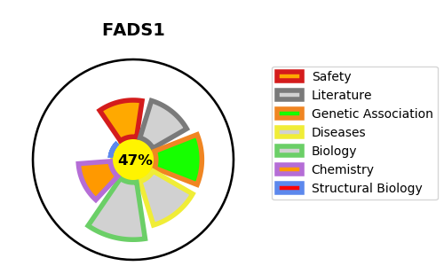
Gene_name | FADS1 | Tractable | Tractability_probability
Synonyms | 1.14.19.44,Acyl-CoA (8-3)-desaturase,D5D,Delta(5) desaturase,Delta(5) fatty acid desaturase,Delta-5 desaturase,FADS1,FADSD5,Fatty acid desaturase 1 | False | 47.9
Target_id | O60427 | In Training data set ?
Protein_class | Enzyme | No
Protein_class_desc | enzyme
Species | Homo sapiens (Human).
Number_isoforms | 2

DISEASE |  | PATHWAYS
disease_id | disease_name | Reactome | KEGG
 |  | Fatty acid metabolism
 |  | Linoleic acid (LA) metabolism
 |  | Metabolism
 |  | Metabolism of lipids
 |  | PPARA activates gene expression
 |  | Regulation of lipid metabolism by PPARalpha
 |  | alpha-linolenic (omega3) and linoleic (omega6) acid metabolism
 |  | alpha-linolenic acid (ALA) metabolism

