General info
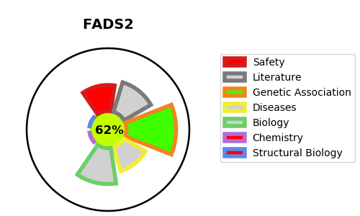
Gene_name | FADS2 | Tractable | Tractability_probability
Synonyms | 1.14.19.3,Acyl-CoA 6-desaturase,D6D,Delta(6) desaturase,Delta(6) fatty acid desaturase,Delta-6 desaturase,FADS2,Fatty acid desaturase 2 | True | 62.31
Target_id | O95864 | In Training data set ?
Protein_class | Oxidoreductase | No
Protein_class_desc | enzyme -> reductase
Species | Homo sapiens (Human).
Number_isoforms | 4

DISEASE |  | PATHWAYS
disease_id | disease_name | Reactome | KEGG
 |  | Fatty acid metabolism
 |  | Linoleic acid (LA) metabolism
 |  | Metabolism
 |  | Metabolism of lipids
 |  | alpha-linolenic (omega3) and linoleic (omega6) acid metabolism
 |  | alpha-linolenic acid (ALA) metabolism

