General info
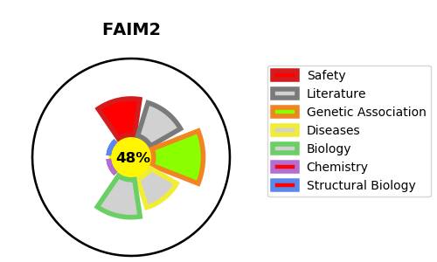
Gene_name | FAIM2 | Tractable | Tractability_probability
Synonyms | KIAA0950, LFG, LFG2, NMP35, TMBIM2 | False | 48.33
Target_id | Q9BWQ8 | In Training data set ?
Protein_class |  | No
Protein_class_desc
Species | Homo sapiens (Human).
Number_isoforms | 2

DISEASE |  | PATHWAYS
disease_id | disease_name | Reactome | KEGG

