General info
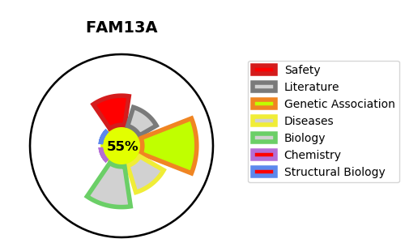
Gene_name | FAM13A | Tractable | Tractability_probability
Synonyms | FAM13A1, KIAA0914 | True | 55.84
Target_id | O94988 | In Training data set ?
Protein_class |  | No
Protein_class_desc
Species | Homo sapiens (Human).
Number_isoforms | 5

DISEASE |  | PATHWAYS
disease_id | disease_name | Reactome | KEGG
 |  | Rho GTPase cycle
 |  | Signal Transduction
 |  | Signaling by Rho GTPases

