General info
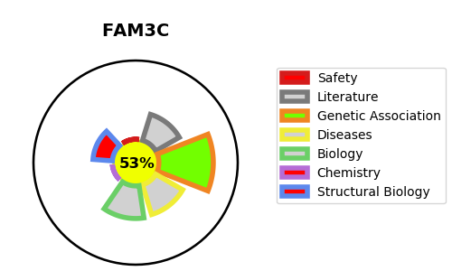
Gene_name | FAM3C | Tractable | Tractability_probability
Synonyms | ILEI | True | 53.07
Target_id | Q92520 | In Training data set ?
Protein_class |  | No
Protein_class_desc
Species | Homo sapiens (Human).
Number_isoforms | 0

DISEASE |  | PATHWAYS
disease_id | disease_name | Reactome | KEGG
 |  | Hemostasis
 |  | Platelet activation, signaling and aggregation
 |  | Platelet degranulation
 |  | Response to elevated platelet cytosolic Ca2+

