General info
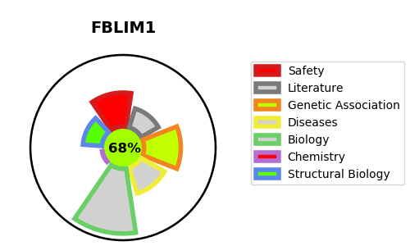
Gene_name | FBLIM1 | Tractable | Tractability_probability
Synonyms | FBLP1 | True | 68.18
Target_id | Q8WUP2 | In Training data set ?
Protein_class |  | No
Protein_class_desc
Species | Homo sapiens (Human).
Number_isoforms | 3

DISEASE |  | PATHWAYS
disease_id | disease_name | Reactome | KEGG
 |  | Cell junction organization
 |  | Cell-Cell communication
 |  | Cell-extracellular matrix interactions

