General info
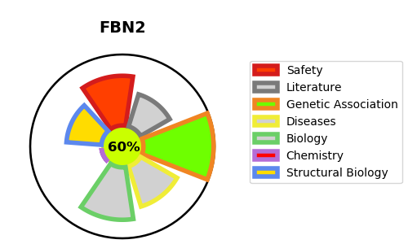
Gene_name | FBN2 | Tractable | Tractability_probability
Synonyms | Not found | True | 60.53
Target_id | P35556 | In Training data set ?
Protein_class |  | No
Protein_class_desc
Species | Homo sapiens (Human).
Number_isoforms | 2

DISEASE |  | PATHWAYS
disease_id | disease_name | Reactome | KEGG
OMIM:121050 | CONTRACTURAL ARACHNODACTYLY, CONGENITAL | Degradation of the extracellular matrix
OMIM:616118 | MACULAR DEGENERATION, EARLY-ONSET | Elastic fibre formation
 |  | Extracellular matrix organization
 |  | Molecules associated with elastic fibres

