General info
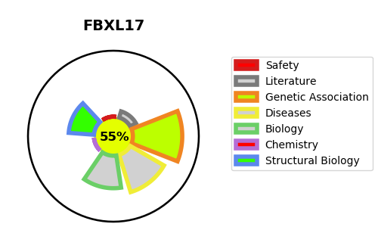
Gene_name | FBXL17 | Tractable | Tractability_probability
Synonyms | FBL17 {ECO:0000312|HGNC:HGNC:13615}, FBX13 {ECO:0000250|UniProtKB:Q9QZN1}, FBXO13 {ECO:0000312|HGNC:HGNC:13615} | True | 55.34
Target_id | Q9UF56 | In Training data set ?
Protein_class |  | No
Protein_class_desc
Species | Homo sapiens (Human).
Number_isoforms | 3

DISEASE |  | PATHWAYS
disease_id | disease_name | Reactome | KEGG

