General info
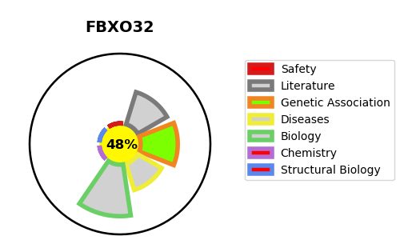
Gene_name | FBXO32 | Tractable | Tractability_probability
Synonyms | Not found | False | 48.63
Target_id | Q969P5 | In Training data set ?
Protein_class |  | No
Protein_class_desc
Species | Homo sapiens (Human).
Number_isoforms | 2

DISEASE |  | PATHWAYS
disease_id | disease_name | Reactome | KEGG
 |  | Adaptive Immune System
 |  | Antigen processing: Ubiquitination & Proteasome degradation
 |  | Class I MHC mediated antigen processing & presentation
 |  | FOXO-mediated transcription
 |  | FOXO-mediated transcription of oxidative stress, metabolic and neuronal genes
 |  | Gene expression (Transcription)
 |  | Generic Transcription Pathway
 |  | Immune System
 |  | Metabolism of proteins
 |  | Neddylation
 |  | Post-translational protein modification
 |  | RNA Polymerase II Transcription

