General info
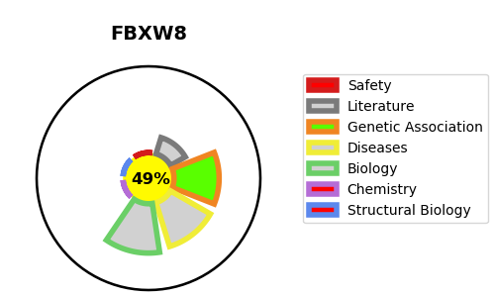
Gene_name | FBXW8 | Tractable | Tractability_probability
Synonyms | FBW6, FBW8, FBX29, FBXO29, FBXW6 | False | 49.04
Target_id | Q8N3Y1 | In Training data set ?
Protein_class |  | No
Protein_class_desc
Species | Homo sapiens (Human).
Number_isoforms | 2

DISEASE |  | PATHWAYS
disease_id | disease_name | Reactome | KEGG
 |  | Adaptive Immune System
 |  | Antigen processing: Ubiquitination & Proteasome degradation
 |  | Class I MHC mediated antigen processing & presentation
 |  | Immune System
 |  | Metabolism of proteins
 |  | Neddylation
 |  | Post-translational protein modification

