General info
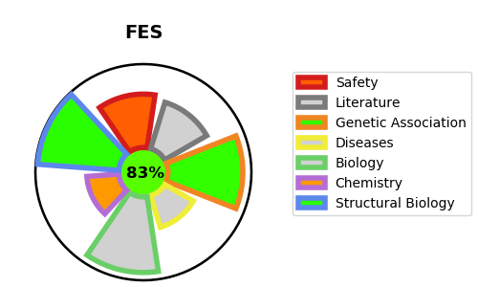
Gene_name | FES | Tractable | Tractability_probability
Synonyms | 2.7.10.2,FES,FPS,Feline sarcoma/Fujinami avian sarcoma oncogene homolog,Proto-oncogene c-Fes,Proto-oncogene c-Fps,Tyrosine-protein kinase Fes/Fps,p93c-fes | True | 83.22
Target_id | P07332 | In Training data set ?
Protein_class | Tyrosine protein kinase Fer family | No
Protein_class_desc | enzyme -> kinase -> protein kinase -> tk -> fer
Species | Homo sapiens (Human).
Number_isoforms | 4

DISEASE |  | PATHWAYS
disease_id | disease_name | Reactome | KEGG
 |  | Axon guidance
 |  | CRMPs in Sema3A signaling
 |  | Developmental Biology
 |  | Nervous system development
 |  | SEMA3A-Plexin repulsion signaling by inhibiting Integrin adhesion
 |  | Sema3A PAK dependent Axon repulsion
 |  | Semaphorin interactions
 |  | Signal Transduction
 |  | Signaling by Receptor Tyrosine Kinases
 |  | Signaling by SCF-KIT

