General info
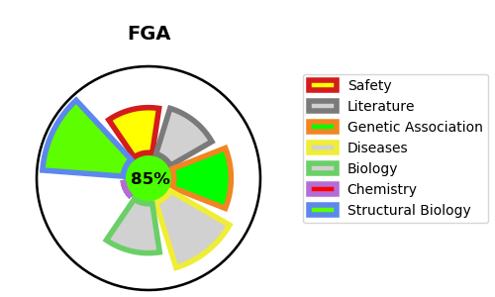
Gene_name | FGA | Tractable | Tractability_probability
Synonyms | FGA,Fibrinogen alpha chain,Fibrinopeptide A,FGB,Fibrinogen beta chain,Fibrinopeptide B,FGG,Fibrinogen gamma chain | True | 85.58
Target_id | P02671 | In Training data set ?
Protein_class | Secreted protein | No
Protein_class_desc | secreted
Species | Homo sapiens (Human).
Number_isoforms | 2

DISEASE |  | PATHWAYS
disease_id | disease_name | Reactome | KEGG
OMIM:105200 | AMYLOIDOSIS, FAMILIAL VISCERAL | Amyloid fiber formation
OMIM:202400 | AFIBRINOGENEMIA, CONGENITAL | Common Pathway of Fibrin Clot Formation
OMIM:616004 | DYSFIBRINOGENEMIA, CONGENITAL | Cytokine Signaling in Immune system
 |  | Disease
 |  | Diseases of signal transduction by growth factor receptors and second messengers
 |  | Extracellular matrix organization
 |  | FLT3 Signaling
 |  | Formation of Fibrin Clot (Clotting Cascade)
 |  | GRB2:SOS provides linkage to MAPK signaling for Integrins
 |  | Hemostasis
 |  | Immune System
 |  | Innate Immune System
 |  | Integrin cell surface interactions
 |  | Integrin signaling
 |  | MAP2K and MAPK activation
 |  | MAPK family signaling cascades
 |  | MAPK1/MAPK3 signaling
 |  | Metabolism of proteins
 |  | Oncogenic MAPK signaling
 |  | Paradoxical activation of RAF signaling by kinase inactive BRAF
 |  | Platelet Aggregation (Plug Formation)
 |  | Platelet activation, signaling and aggregation
 |  | Platelet degranulation
 |  | Post-translational protein modification
 |  | Post-translational protein phosphorylation
 |  | RAF/MAP kinase cascade
 |  | Regulation of Insulin-like Growth Factor (IGF) transport and uptake by Insulin-like Growth Factor Binding Proteins (IGFBPs)
 |  | Regulation of TLR by endogenous ligand
 |  | Response to elevated platelet cytosolic Ca2+
 |  | Signal Transduction
 |  | Signaling by BRAF and RAF fusions
 |  | Signaling by RAF1 mutants
 |  | Signaling by RAS mutants
 |  | Signaling by high-kinase activity BRAF mutants
 |  | Signaling by moderate kinase activity BRAF mutants
 |  | Signaling downstream of RAS mutants
 |  | Toll-like Receptor Cascades
 |  | p130Cas linkage to MAPK signaling for integrins

