General info
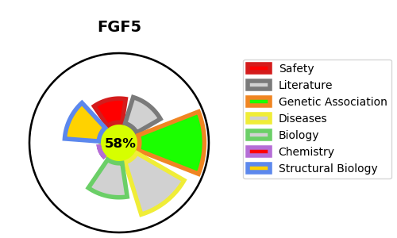
Gene_name | FGF5 | Tractable | Tractability_probability
Synonyms | Not found | True | 58.15
Target_id | P12034 | In Training data set ?
Protein_class |  | No
Protein_class_desc
Species | Homo sapiens (Human).
Number_isoforms | 2

DISEASE |  | PATHWAYS
disease_id | disease_name | Reactome | KEGG
OMIM:190330 | TRICHOMEGALY

