General info
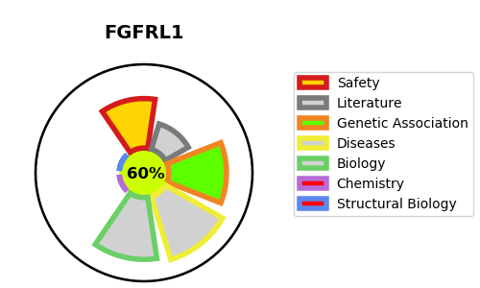
Gene_name | FGFRL1 | Tractable | Tractability_probability
Synonyms | FGFR5, FHFR | True | 60.09
Target_id | Q8N441 | In Training data set ?
Protein_class |  | No
Protein_class_desc
Species | Homo sapiens (Human).
Number_isoforms | 0

DISEASE |  | PATHWAYS
disease_id | disease_name | Reactome | KEGG
OMIM:194190 | WOLF-HIRSCHHORN SYNDROME | FGFRL1 modulation of FGFR1 signaling
 |  | Signal Transduction
 |  | Signaling by FGFR
 |  | Signaling by FGFR1
 |  | Signaling by Receptor Tyrosine Kinases

