General info
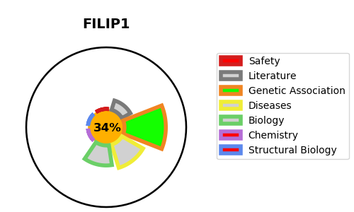
Gene_name | FILIP1 | Tractable | Tractability_probability
Synonyms | KIAA1275 | False | 34.39
Target_id | Q7Z7B0 | In Training data set ?
Protein_class |  | No
Protein_class_desc
Species | Homo sapiens (Human).
Number_isoforms | 3

DISEASE |  | PATHWAYS
disease_id | disease_name | Reactome | KEGG

