General info
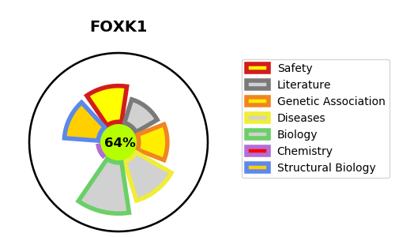
Gene_name | FOXK1 | Tractable | Tractability_probability
Synonyms | MNF {ECO:0000303|PubMed:15289879} | True | 64.39
Target_id | P85037 | In Training data set ?
Protein_class |  | No
Protein_class_desc
Species | Homo sapiens (Human).
Number_isoforms | 2

DISEASE |  | PATHWAYS
disease_id | disease_name | Reactome | KEGG
 |  | Deubiquitination
 |  | Metabolism of proteins
 |  | Post-translational protein modification
 |  | UCH proteinases

