General info
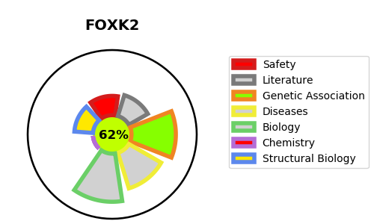
Gene_name | FOXK2 | Tractable | Tractability_probability
Synonyms | ILF {ECO:0000303|PubMed:1339390, ECO:0000303|PubMed:1909027}, ILF1 {ECO:0000303|PubMed:12402362} | True | 62.41
Target_id | Q01167 | In Training data set ?
Protein_class |  | No
Protein_class_desc
Species | Homo sapiens (Human).
Number_isoforms | 3

DISEASE |  | PATHWAYS
disease_id | disease_name | Reactome | KEGG
 |  | Deubiquitination
 |  | Metabolism of proteins
 |  | Post-translational protein modification
 |  | UCH proteinases

