General info
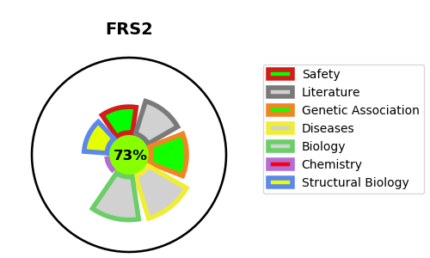
Gene_name | FRS2 | Tractable | Tractability_probability
Synonyms | Not found | True | 73.71
Target_id | Q8WU20 | In Training data set ?
Protein_class |  | No
Protein_class_desc
Species | Homo sapiens (Human).
Number_isoforms | 0

DISEASE |  | PATHWAYS
disease_id | disease_name | Reactome | KEGG
 |  | Activated NTRK2 signals through FRS2 and FRS3
 |  | Axon guidance
 |  | Constitutive Signaling by Aberrant PI3K in Cancer
 |  | Cytokine Signaling in Immune system
 |  | Developmental Biology
 |  | Disease
 |  | Diseases of signal transduction by growth factor receptors and second messengers
 |  | Downstream signaling of activated FGFR1
 |  | Downstream signaling of activated FGFR2
 |  | Downstream signaling of activated FGFR3
 |  | Downstream signaling of activated FGFR4
 |  | FLT3 Signaling
 |  | FRS-mediated FGFR1 signaling
 |  | FRS-mediated FGFR2 signaling
 |  | FRS-mediated FGFR3 signaling
 |  | FRS-mediated FGFR4 signaling
 |  | Frs2-mediated activation
 |  | IGF1R signaling cascade
 |  | IRS-mediated signalling
 |  | IRS-related events triggered by IGF1R
 |  | Immune System
 |  | Insulin receptor signalling cascade
 |  | Intracellular signaling by second messengers
 |  | MAPK family signaling cascades
 |  | MAPK1/MAPK3 signaling
 |  | Negative regulation of FGFR1 signaling
 |  | Negative regulation of FGFR2 signaling
 |  | Negative regulation of FGFR3 signaling
 |  | Negative regulation of FGFR4 signaling
 |  | Negative regulation of the PI3K/AKT network
 |  | Nervous system development
 |  | PI-3K cascade:FGFR1
 |  | PI-3K cascade:FGFR2
 |  | PI-3K cascade:FGFR3
 |  | PI-3K cascade:FGFR4
 |  | PI3K Cascade
 |  | PI3K/AKT Signaling in Cancer
 |  | PI5P, PP2A and IER3 Regulate PI3K/AKT Signaling
 |  | PIP3 activates AKT signaling
 |  | Prolonged ERK activation events
 |  | RAF/MAP kinase cascade
 |  | RET signaling
 |  | Signal Transduction
 |  | Signaling by FGFR
 |  | Signaling by FGFR in disease
 |  | Signaling by FGFR1
 |  | Signaling by FGFR1 in disease
 |  | Signaling by FGFR2
 |  | Signaling by FGFR2 in disease
 |  | Signaling by FGFR3
 |  | Signaling by FGFR3 fusions in cancer
 |  | Signaling by FGFR3 in disease
 |  | Signaling by FGFR3 point mutants in cancer
 |  | Signaling by FGFR4
 |  | Signaling by FGFR4 in disease
 |  | Signaling by Insulin receptor
 |  | Signaling by NTRK1 (TRKA)
 |  | Signaling by NTRK2 (TRKB)
 |  | Signaling by NTRKs
 |  | Signaling by Receptor Tyrosine Kinases
 |  | Signaling by Type 1 Insulin-like Growth Factor 1 Receptor (IGF1R)
 |  | Signalling to ERKs

