General info
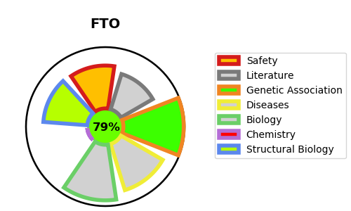
Gene_name | FTO | Tractable | Tractability_probability
Synonyms | 1.14.11.-,1.14.11.53,Alpha-ketoglutarate-dependent dioxygenase FTO,FTO,Fat mass and obesity-associated protein,KIAA1752,U6 small nuclear RNA (2'-O-methyladenosine-N(6)-)-demethylase FTO,U6 small nuclear RNA N(6)-methyladenosine-demethylase FTO,m6A(m)-demethylase FTO,mRNA (2'-O-methyladenosine-N(6)-)-demethylase FTO,mRNA N(6)-methyladenosine demethylase FTO,tRNA N1-methyl adenine demethylase FTO | True | 79.42
Target_id | Q9C0B1 | In Training data set ?
Protein_class | Oxidoreductase | No
Protein_class_desc | enzyme -> reductase
Species | Homo sapiens (Human).
Number_isoforms | 4

DISEASE |  | PATHWAYS
disease_id | disease_name | Reactome | KEGG
OMIM:612460 | BODY MASS INDEX QUANTITATIVE TRAIT LOCUS 14 | DNA Damage Reversal
OMIM:612938 | GROWTH RETARDATION, DEVELOPMENTAL DELAY, AND FACIAL DYSMORPHISM | DNA Repair
 |  | Reversal of alkylation damage by DNA dioxygenases

