General info
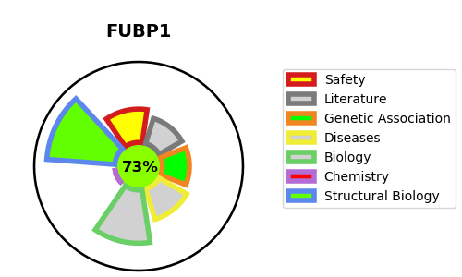
Gene_name | FUBP1 | Tractable | Tractability_probability
Synonyms | DNA helicase V,FBP,FUBP1,FUSE-binding protein 1,Far upstream element-binding protein 1,hDH V | True | 73.23
Target_id | Q96AE4 | In Training data set ?
Protein_class | Unclassified protein | Yes
Protein_class_desc | unclassified
Species | Homo sapiens (Human).
Number_isoforms | 2

DISEASE |  | PATHWAYS
disease_id | disease_name | Reactome | KEGG

