General info
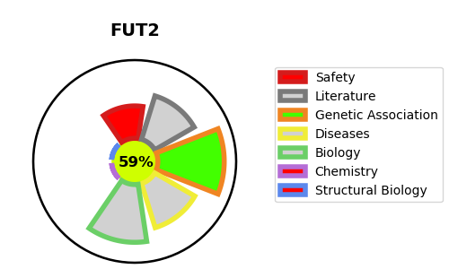
Gene_name | FUT2 | Tractable | Tractability_probability
Synonyms | 2.4.1.344,2.4.1.69,Alpha(1,2)FT 2,FUT2,Fucosyltransferase 2,GDP-L-fucose:beta-D-galactoside 2-alpha-L-fucosyltransferase 2,Galactoside 2-alpha-L-fucosyltransferase 2,SE2,SEC2,Secretor blood group alpha-2-fucosyltransferase,Secretor factor | True | 59.57
Target_id | Q10981 | In Training data set ?
Protein_class | Transferase | No
Protein_class_desc | enzyme -> transferase
Species | Homo sapiens (Human).
Number_isoforms | 0

DISEASE |  | PATHWAYS
disease_id | disease_name | Reactome | KEGG
OMIM:612542 | VITAMIN B12 PLASMA LEVEL QUANTITATIVE TRAIT LOCUS 1 | ABO blood group biosynthesis
OMIM:616754 | BOMBAY PHENOTYPE | Blood group systems biosynthesis
 |  | Lewis blood group biosynthesis
 |  | Metabolism
 |  | Metabolism of carbohydrates

