General info
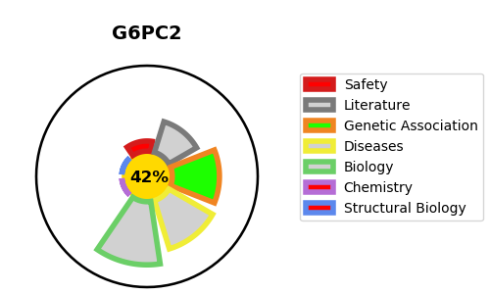
Gene_name | G6PC2 | Tractable | Tractability_probability
Synonyms | IGRP | False | 42.67
Target_id | Q9NQR9 | In Training data set ?
Protein_class |  | No
Protein_class_desc
Species | Homo sapiens (Human).
Number_isoforms | 3

DISEASE |  | PATHWAYS
disease_id | disease_name | Reactome | KEGG
 |  | Gluconeogenesis
 |  | Glucose metabolism
 |  | Metabolism
 |  | Metabolism of carbohydrates

