General info
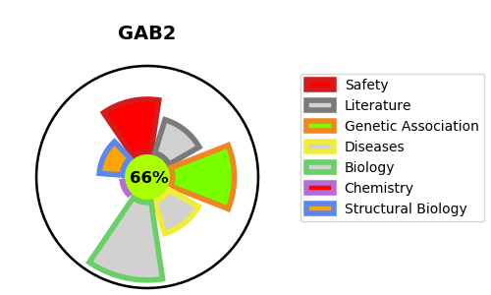
Gene_name | GAB2 | Tractable | Tractability_probability
Synonyms | KIAA0571 | True | 66.73
Target_id | Q9UQC2 | In Training data set ?
Protein_class |  | No
Protein_class_desc
Species | Homo sapiens (Human).
Number_isoforms | 2

DISEASE |  | PATHWAYS
disease_id | disease_name | Reactome | KEGG
 |  | Axon guidance
 |  | Cytokine Signaling in Immune system
 |  | Developmental Biology
 |  | Disease
 |  | Diseases of signal transduction by growth factor receptors and second messengers
 |  | FGFR1 mutant receptor activation
 |  | FLT3 Signaling
 |  | Fc epsilon receptor (FCERI) signaling
 |  | IGF1R signaling cascade
 |  | IRS-mediated signalling
 |  | IRS-related events triggered by IGF1R
 |  | Immune System
 |  | Innate Immune System
 |  | Insulin receptor signalling cascade
 |  | Interleukin receptor SHC signaling
 |  | Interleukin-15 signaling
 |  | Interleukin-2 family signaling
 |  | Interleukin-3, Interleukin-5 and GM-CSF signaling
 |  | Nervous system development
 |  | PI3K Cascade
 |  | RET signaling
 |  | Role of LAT2/NTAL/LAB on calcium mobilization
 |  | STAT5 Activation
 |  | Signal Transduction
 |  | Signaling by FGFR in disease
 |  | Signaling by FGFR1 in disease
 |  | Signaling by Insulin receptor
 |  | Signaling by Interleukins
 |  | Signaling by Receptor Tyrosine Kinases
 |  | Signaling by SCF-KIT
 |  | Signaling by Type 1 Insulin-like Growth Factor 1 Receptor (IGF1R)
 |  | Signaling by cytosolic FGFR1 fusion mutants

