General info
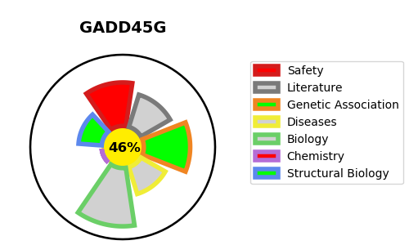
Gene_name | GADD45G | Tractable | Tractability_probability
Synonyms | CR6, DDIT2 | False | 46.49
Target_id | O95257 | In Training data set ?
Protein_class |  | No
Protein_class_desc
Species | Homo sapiens (Human).
Number_isoforms | 0

DISEASE |  | PATHWAYS
disease_id | disease_name | Reactome | KEGG

