General info
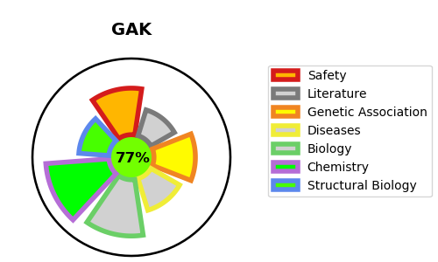
Gene_name | GAK | Tractable | Tractability_probability
Synonyms | 2.7.11.1,Cyclin-G-associated kinase,GAK | True | 77.66
Target_id | O14976 | In Training data set ?
Protein_class | Other protein kinase NAK family | No
Protein_class_desc | enzyme -> kinase -> protein kinase -> other -> nak
Species | Homo sapiens (Human).
Number_isoforms | 2

DISEASE |  | PATHWAYS
disease_id | disease_name | Reactome | KEGG
 |  | Clathrin-mediated endocytosis
 |  | Golgi Associated Vesicle Biogenesis
 |  | Membrane Trafficking
 |  | Vesicle-mediated transport
 |  | trans-Golgi Network Vesicle Budding

