General info
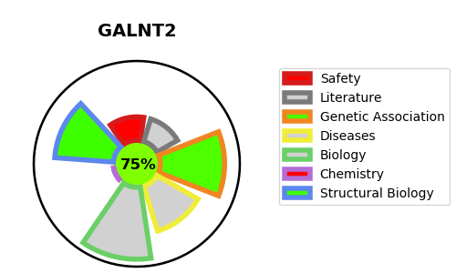
Gene_name | GALNT2 | Tractable | Tractability_probability
Synonyms | 2.4.1.41,GALNT2,GalNAc-T2,Polypeptide GalNAc transferase 2,Polypeptide N-acetylgalactosaminyltransferase 2,Polypeptide N-acetylgalactosaminyltransferase 2 soluble form,Protein-UDP acetylgalactosaminyltransferase 2,UDP-GalNAc:polypeptide N-acetylgalactosaminyltransferase 2,pp-GaNTase 2 | True | 75.13
Target_id | Q10471 | In Training data set ?
Protein_class | Unclassified protein | No
Protein_class_desc | unclassified
Species | Homo sapiens (Human).
Number_isoforms | 2

DISEASE |  | PATHWAYS
disease_id | disease_name | Reactome | KEGG
OMIM:618885 | CONGENITAL DISORDER OF GLYCOSYLATION, TYPE IIt | COPI-independent Golgi-to-ER retrograde traffic
 |  | Golgi-to-ER retrograde transport
 |  | Intra-Golgi and retrograde Golgi-to-ER traffic
 |  | Membrane Trafficking
 |  | Metabolism of proteins
 |  | O-linked glycosylation
 |  | O-linked glycosylation of mucins
 |  | Post-translational protein modification
 |  | Vesicle-mediated transport

