General info
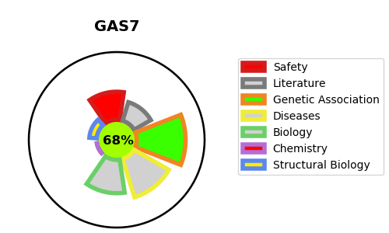
Gene_name | GAS7 | Tractable | Tractability_probability
Synonyms | KIAA0394 | True | 68.42
Target_id | O60861 | In Training data set ?
Protein_class |  | No
Protein_class_desc
Species | Homo sapiens (Human).
Number_isoforms | 4

DISEASE |  | PATHWAYS
disease_id | disease_name | Reactome | KEGG

