General info
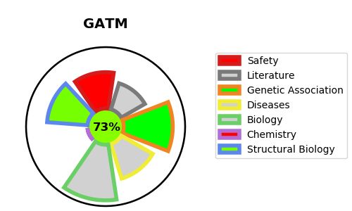
Gene_name | GATM | Tractable | Tractability_probability
Synonyms | AGAT | True | 73.77
Target_id | P50440 | In Training data set ?
Protein_class |  | No
Protein_class_desc
Species | Homo sapiens (Human).
Number_isoforms | 3

DISEASE |  | PATHWAYS
disease_id | disease_name | Reactome | KEGG
OMIM:134600 | FANCONI RENOTUBULAR SYNDROME 1 | Creatine metabolism
OMIM:612718 | CEREBRAL CREATINE DEFICIENCY SYNDROME 3 | Metabolism
 |  | Metabolism of amino acids and derivatives

