General info
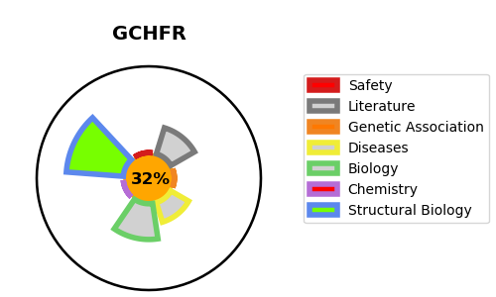
Gene_name | GCHFR | Tractable | Tractability_probability
Synonyms | GFRP | False | 32.62
Target_id | P30047 | In Training data set ?
Protein_class |  | No
Protein_class_desc
Species | Homo sapiens (Human).
Number_isoforms | 2

DISEASE |  | PATHWAYS
disease_id | disease_name | Reactome | KEGG
 |  | Metabolism
 |  | Metabolism of cofactors
 |  | Metabolism of vitamins and cofactors
 |  | Tetrahydrobiopterin (BH4) synthesis, recycling, salvage and regulation

