General info
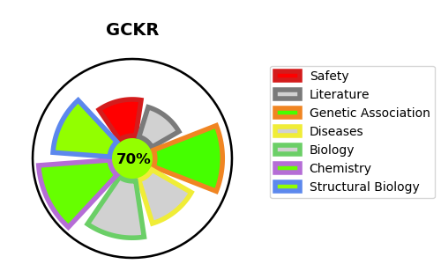
Gene_name | GCKR | Tractable | Tractability_probability
Synonyms | GCKR,GKRP,Glucokinase regulator,Glucokinase regulatory protein | True | 70.99
Target_id | Q14397 | In Training data set ?
Protein_class | Enzyme | No
Protein_class_desc | enzyme
Species | Homo sapiens (Human).
Number_isoforms | 2

DISEASE |  | PATHWAYS
disease_id | disease_name | Reactome | KEGG
OMIM:613463 | FASTING PLASMA GLUCOSE LEVEL QUANTITATIVE TRAIT LOCUS 5 | Defective TPR may confer susceptibility towards thyroid papillary carcinoma (TPC)
 |  | Disease
 |  | Disorders of transmembrane transporters
 |  | Glucose metabolism
 |  | Glycolysis
 |  | Metabolism
 |  | Metabolism of carbohydrates
 |  | Regulation of Glucokinase by Glucokinase Regulatory Protein
 |  | SLC transporter disorders

