General info
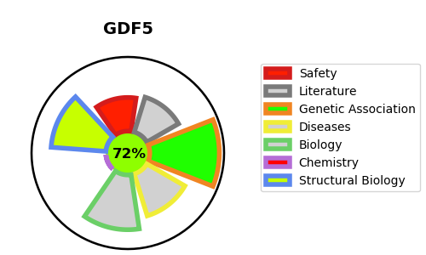
Gene_name | GDF5 | Tractable | Tractability_probability
Synonyms | BMP14, CDMP1 | True | 72.33
Target_id | P43026 | In Training data set ?
Protein_class |  | No
Protein_class_desc
Species | Homo sapiens (Human).
Number_isoforms | 0

DISEASE |  | PATHWAYS
disease_id | disease_name | Reactome | KEGG
OMIM:112600 | BRACHYDACTYLY, TYPE A2 | Elastic fibre formation
OMIM:113100 | BRACHYDACTYLY, TYPE C | Extracellular matrix organization
OMIM:200700 | CHONDRODYSPLASIA, GREBE TYPE | Molecules associated with elastic fibres
OMIM:201250 | ACROMESOMELIC DYSPLASIA, HUNTER-THOMPSON TYPE
OMIM:228900 | DU PAN SYNDROME
OMIM:610017 | MULTIPLE SYNOSTOSES SYNDROME 2
OMIM:612400 | OSTEOARTHRITIS SUSCEPTIBILITY 5
OMIM:615072 | BRACHYDACTYLY, TYPE A1, C
OMIM:615298 | SYMPHALANGISM, PROXIMAL, 1B

