General info
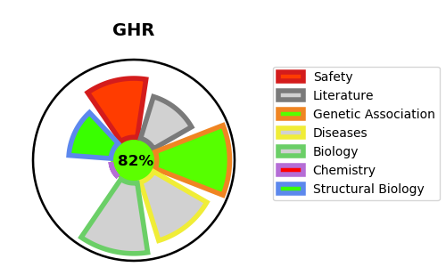
Gene_name | GHR | Tractable | Tractability_probability
Synonyms | GH receptor,GH-binding protein,GHBP,GHR,Growth hormone receptor,Growth hormone-binding protein,Serum-binding protein,Somatotropin receptor | True | 82.1
Target_id | P10912 | In Training data set ?
Protein_class | Membrane receptor | No
Protein_class_desc | membrane receptor
Species | Homo sapiens (Human).
Number_isoforms | 4

DISEASE |  | PATHWAYS
disease_id | disease_name | Reactome | KEGG
OMIM:143890 | HYPERCHOLESTEROLEMIA, FAMILIAL, 1 | Cytokine Signaling in Immune system
OMIM:262500 | LARON SYNDROME | Growth hormone receptor signaling
OMIM:604271 | GROWTH HORMONE INSENSITIVITY, PARTIAL | Immune System
 |  | Prolactin receptor signaling

