General info
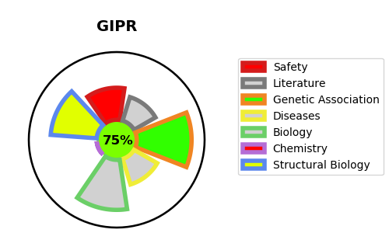
Gene_name | GIPR | Tractable | Tractability_probability
Synonyms | GIP-R,GIPR,Gastric inhibitory polypeptide receptor,Glucose-dependent insulinotropic polypeptide receptor | True | 75.93
Target_id | P48546 | In Training data set ?
Protein_class | Gastric inhibitory polypeptide receptor | No
Protein_class_desc | membrane receptor -> 7tm2 -> peptide -> glucagon-like -> gastric inhibitory polypeptide receptor
Species | Homo sapiens (Human).
Number_isoforms | 3

DISEASE |  | PATHWAYS
disease_id | disease_name | Reactome | KEGG
 |  | ADORA2B mediated anti-inflammatory cytokines production
 |  | Anti-inflammatory response favouring Leishmania parasite infection
 |  | Class B/2 (Secretin family receptors)
 |  | Disease
 |  | G alpha (s) signalling events
 |  | GPCR downstream signalling
 |  | GPCR ligand binding
 |  | Glucagon-type ligand receptors
 |  | Infectious disease
 |  | Leishmania infection
 |  | Leishmania parasite growth and survival
 |  | Signal Transduction
 |  | Signaling by GPCR

