General info
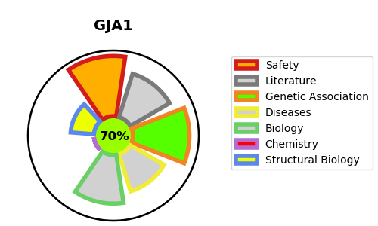
Gene_name | GJA1 | Tractable | Tractability_probability
Synonyms | GJAL | True | 70.06
Target_id | P17302 | In Training data set ?
Protein_class |  | Yes
Protein_class_desc
Species | Homo sapiens (Human).
Number_isoforms | 0

DISEASE |  | PATHWAYS
disease_id | disease_name | Reactome | KEGG
OMIM:104100 | PALMOPLANTAR KERATODERMA AND CONGENITAL ALOPECIA 1 | Formation of annular gap junctions
OMIM:164200 | OCULODENTODIGITAL DYSPLASIA | Gap junction assembly
OMIM:186100 | SYNDACTYLY, TYPE III | Gap junction degradation
OMIM:218400 | CRANIOMETAPHYSEAL DYSPLASIA, AUTOSOMAL RECESSIVE | Gap junction trafficking
OMIM:241550 | HYPOPLASTIC LEFT HEART SYNDROME 1 | Gap junction trafficking and regulation
OMIM:257850 | OCULODENTODIGITAL DYSPLASIA, AUTOSOMAL RECESSIVE | Membrane Trafficking
OMIM:600309 | ATRIOVENTRICULAR SEPTAL DEFECT 3 | Microtubule-dependent trafficking of connexons from Golgi to the plasma membrane
OMIM:617525 | ERYTHROKERATODERMIA VARIABILIS ET PROGRESSIVA 3 | Oligomerization of connexins into connexons
 |  | Regulation of gap junction activity
 |  | Transport of connexins along the secretory pathway
 |  | Transport of connexons to the plasma membrane
 |  | Vesicle-mediated transport

