General info
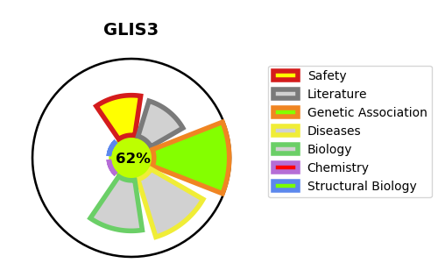
Gene_name | GLIS3 | Tractable | Tractability_probability
Synonyms | ZNF515 | True | 62.98
Target_id | Q8NEA6 | In Training data set ?
Protein_class |  | No
Protein_class_desc
Species | Homo sapiens (Human).
Number_isoforms | 2

DISEASE |  | PATHWAYS
disease_id | disease_name | Reactome | KEGG
OMIM:610199 | DIABETES MELLITUS, NEONATAL, WITH CONGENITAL HYPOTHYROIDISM

