General info
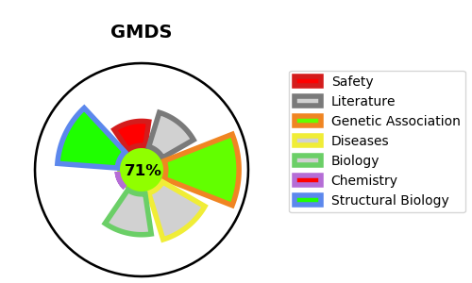
Gene_name | GMDS | Tractable | Tractability_probability
Synonyms | 4.2.1.47,GDP-D-mannose dehydratase,GDP-mannose 4,6 dehydratase,GMD,GMDS | True | 71.9
Target_id | O60547 | In Training data set ?
Protein_class | Lyase | No
Protein_class_desc | enzyme -> lyase
Species | Homo sapiens (Human).
Number_isoforms | 2

DISEASE |  | PATHWAYS
disease_id | disease_name | Reactome | KEGG

