General info
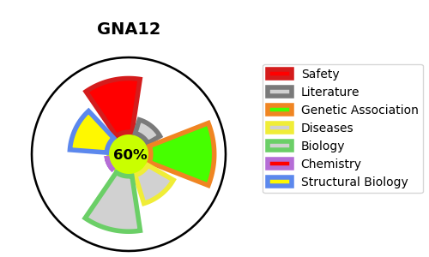
Gene_name | GNA12 | Tractable | Tractability_probability
Synonyms | G alpha-12,G-protein subunit alpha-12,GNA12,Guanine nucleotide-binding protein subunit alpha-12 | True | 60.67
Target_id | Q03113 | In Training data set ?
Protein_class | Unclassified protein | No
Protein_class_desc | unclassified
Species | Homo sapiens (Human).
Number_isoforms | 3

DISEASE |  | PATHWAYS
disease_id | disease_name | Reactome | KEGG
 |  | G alpha (12/13) signalling events
 |  | GPCR downstream signalling
 |  | Hemostasis
 |  | Platelet activation, signaling and aggregation
 |  | Signal Transduction
 |  | Signaling by GPCR
 |  | Thrombin signalling through proteinase activated receptors (PARs)

