General info
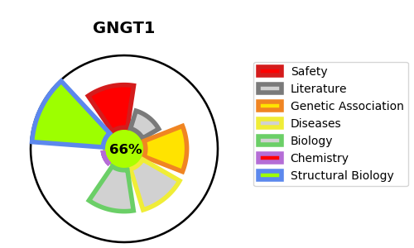
Gene_name | GNGT1 | Tractable | Tractability_probability
Synonyms | Not found | True | 66.8
Target_id | P63211 | In Training data set ?
Protein_class |  | No
Protein_class_desc
Species | Homo sapiens (Human).
Number_isoforms | 0

DISEASE |  | PATHWAYS
disease_id | disease_name | Reactome | KEGG
 |  | ADORA2B mediated anti-inflammatory cytokines production
 |  | ADP signalling through P2Y purinoceptor 1
 |  | ADP signalling through P2Y purinoceptor 12
 |  | Activation of G protein gated Potassium channels
 |  | Activation of GABAB receptors
 |  | Activation of kainate receptors upon glutamate binding
 |  | Activation of the phototransduction cascade
 |  | Adrenaline,noradrenaline inhibits insulin secretion
 |  | Anti-inflammatory response favouring Leishmania parasite infection
 |  | Aquaporin-mediated transport
 |  | Beta-catenin independent WNT signaling
 |  | Ca2+ pathway
 |  | Chaperonin-mediated protein folding
 |  | Class B/2 (Secretin family receptors)
 |  | Cooperation of PDCL (PhLP1) and TRiC/CCT in G-protein beta folding
 |  | Disease
 |  | ESR-mediated signaling
 |  | Extra-nuclear estrogen signaling
 |  | G alpha (12/13) signalling events
 |  | G alpha (i) signalling events
 |  | G alpha (q) signalling events
 |  | G alpha (s) signalling events
 |  | G alpha (z) signalling events
 |  | G beta:gamma signalling through BTK
 |  | G beta:gamma signalling through CDC42
 |  | G beta:gamma signalling through PI3Kgamma
 |  | G beta:gamma signalling through PLC beta
 |  | G protein gated Potassium channels
 |  | G-protein activation
 |  | G-protein beta:gamma signalling
 |  | GABA B receptor activation
 |  | GABA receptor activation
 |  | GPCR downstream signalling
 |  | GPCR ligand binding
 |  | Glucagon-like Peptide-1 (GLP1) regulates insulin secretion
 |  | Glucagon-type ligand receptors
 |  | Hemostasis
 |  | Inactivation, recovery and regulation of the phototransduction cascade
 |  | Infectious disease
 |  | Inhibition of voltage gated Ca2+ channels via Gbeta/gamma subunits
 |  | Integration of energy metabolism
 |  | Inwardly rectifying K+ channels
 |  | Leishmania infection
 |  | Leishmania parasite growth and survival
 |  | Metabolism
 |  | Metabolism of proteins
 |  | Neuronal System
 |  | Neurotransmitter receptors and postsynaptic signal transmission
 |  | Olfactory Signaling Pathway
 |  | Opioid Signalling
 |  | Platelet activation, signaling and aggregation
 |  | Platelet homeostasis
 |  | Potassium Channels
 |  | Presynaptic function of Kainate receptors
 |  | Prostacyclin signalling through prostacyclin receptor
 |  | Protein folding
 |  | Regulation of insulin secretion
 |  | Signal Transduction
 |  | Signal amplification
 |  | Signaling by GPCR
 |  | Signaling by Nuclear Receptors
 |  | Signaling by WNT
 |  | The phototransduction cascade
 |  | Thrombin signalling through proteinase activated receptors (PARs)
 |  | Thromboxane signalling through TP receptor
 |  | Transmission across Chemical Synapses
 |  | Transport of small molecules
 |  | Vasopressin regulates renal water homeostasis via Aquaporins
 |  | Visual phototransduction

