General info
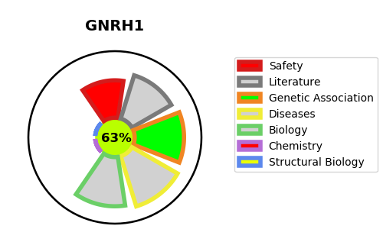
Gene_name | GNRH1 | Tractable | Tractability_probability
Synonyms | GNRH, GRH, LHRH | True | 63.86
Target_id | P01148 | In Training data set ?
Protein_class |  | No
Protein_class_desc
Species | Homo sapiens (Human).
Number_isoforms | 0

DISEASE |  | PATHWAYS
disease_id | disease_name | Reactome | KEGG
OMIM:146110 | HYPOGONADOTROPIC HYPOGONADISM 7 WITH OR WITHOUT ANOSMIA | Class A/1 (Rhodopsin-like receptors)
OMIM:614841 | HYPOGONADOTROPIC HYPOGONADISM 12 WITH OR WITHOUT ANOSMIA | G alpha (q) signalling events
 |  | GPCR downstream signalling
 |  | GPCR ligand binding
 |  | Hormone ligand-binding receptors
 |  | Signal Transduction
 |  | Signaling by GPCR

