General info
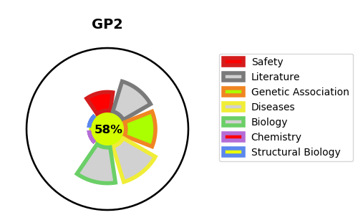
Gene_name | GP2 | Tractable | Tractability_probability
Synonyms | Not found | True | 58.29
Target_id | P55259 | In Training data set ?
Protein_class |  | No
Protein_class_desc
Species | Homo sapiens (Human).
Number_isoforms | 4

DISEASE |  | PATHWAYS
disease_id | disease_name | Reactome | KEGG
 |  | Metabolism of proteins
 |  | Post-translational modification: synthesis of GPI-anchored proteins
 |  | Post-translational protein modification

