General info
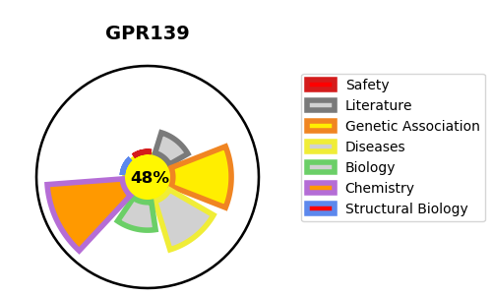
Gene_name | GPR139 | Tractable | Tractability_probability
Synonyms | G(q)-coupled orphan receptor GPRg1,G-protein-coupled receptor PGR3,GPR139,GPRG1,PGR3,Probable G-protein coupled receptor 139 | False | 48.48
Target_id | Q6DWJ6 | In Training data set ?
Protein_class | Family A G protein-coupled receptor | No
Protein_class_desc | membrane receptor -> 7tm1
Species | Homo sapiens (Human).
Number_isoforms | 0

DISEASE |  | PATHWAYS
disease_id | disease_name | Reactome | KEGG

