General info
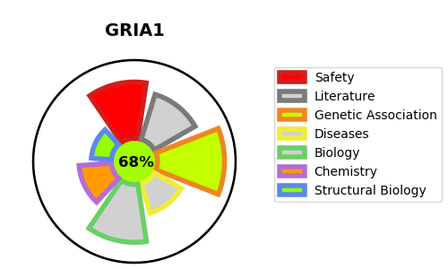
Gene_name | GRIA1 | Tractable | Tractability_probability
Synonyms | AMPA-selective glutamate receptor 1,GLUH1,GLUR1,GRIA1,GluA1,GluR-1,GluR-A,GluR-K1,Glutamate receptor 1,Glutamate receptor ionotropic, AMPA 1 | True | 68.17
Target_id | P42261 | In Training data set ?
Protein_class | AMPA receptor | No
Protein_class_desc | ion channel -> lgic -> glut -> ampa
Species | Homo sapiens (Human).
Number_isoforms | 6

DISEASE |  | PATHWAYS
disease_id | disease_name | Reactome | KEGG
 |  | Activation of AMPA receptors
 |  | Activation of NMDA receptors and postsynaptic events
 |  | Asparagine N-linked glycosylation
 |  | COPII-mediated vesicle transport
 |  | Cargo concentration in the ER
 |  | ER to Golgi Anterograde Transport
 |  | Glutamate binding, activation of AMPA receptors and synaptic plasticity
 |  | Long-term potentiation
 |  | Membrane Trafficking
 |  | Metabolism of proteins
 |  | Neuronal System
 |  | Neurotransmitter receptors and postsynaptic signal transmission
 |  | Post NMDA receptor activation events
 |  | Post-translational protein modification
 |  | Protein-protein interactions at synapses
 |  | Synaptic adhesion-like molecules
 |  | Trafficking of AMPA receptors
 |  | Trafficking of GluR2-containing AMPA receptors
 |  | Transmission across Chemical Synapses
 |  | Transport to the Golgi and subsequent modification
 |  | Unblocking of NMDA receptors, glutamate binding and activation
 |  | Vesicle-mediated transport

