General info
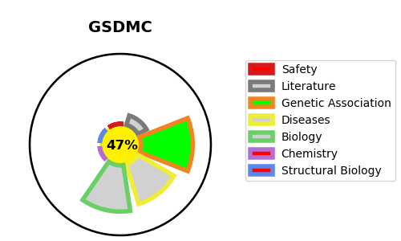
Gene_name | GSDMC | Tractable | Tractability_probability
Synonyms | MLZE {ECO:0000303|PubMed:11223543} | False | 47.12
Target_id | Q9BYG8 | In Training data set ?
Protein_class |  | No
Protein_class_desc
Species | Homo sapiens (Human).
Number_isoforms | 0

DISEASE |  | PATHWAYS
disease_id | disease_name | Reactome | KEGG

