General info
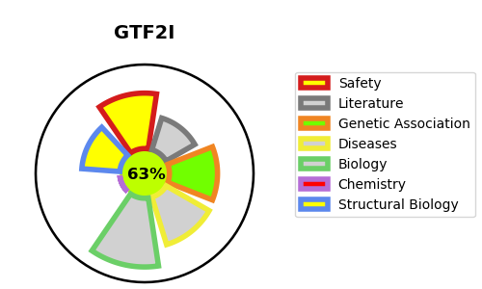
Gene_name | GTF2I | Tractable | Tractability_probability
Synonyms | BAP135, WBSCR6 | True | 63.13
Target_id | P78347 | In Training data set ?
Protein_class |  | No
Protein_class_desc
Species | Homo sapiens (Human).
Number_isoforms | 5

DISEASE |  | PATHWAYS
disease_id | disease_name | Reactome | KEGG

